SAMD2xx
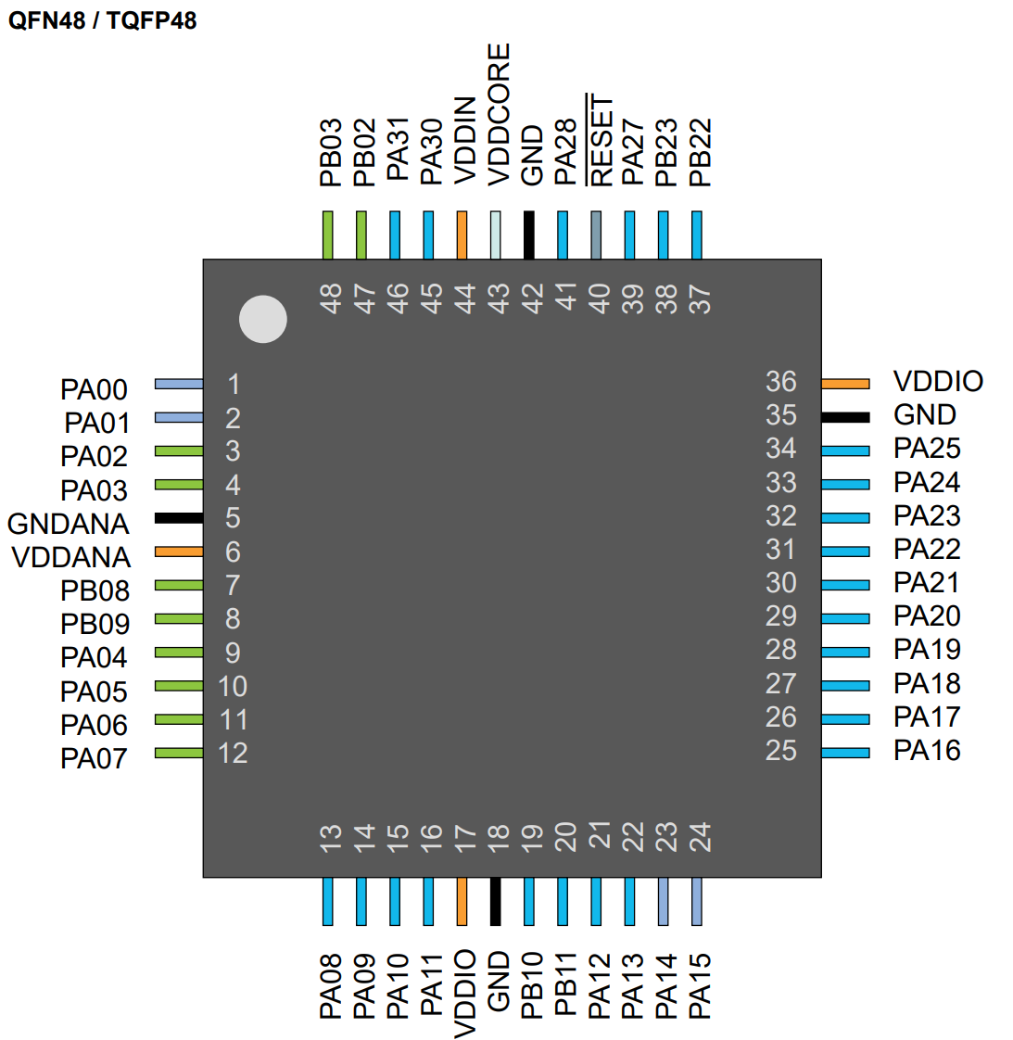
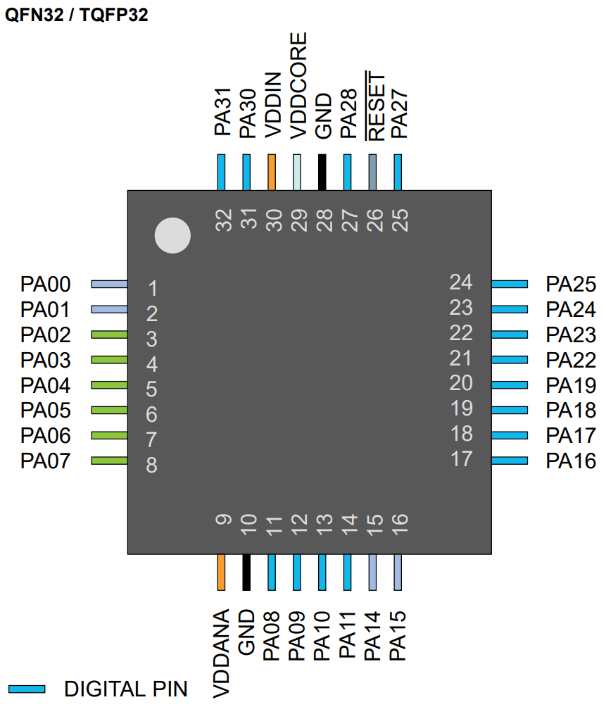
SAMD2x Pin Multiplex Table
Datasheet: | SAM-D21-DA1-Family-Data-Sheet-DS40001882H.pdf
Application |  |  |  | Variant | Pin | I/O Pin | Supply | A | B |  |  |  |  | C | D | E | F | G | H | Arduino Framework Code
Pin Name | Function | Pin mode | Pin init state | Arduino Pin | SAMD2xE | Port Pin | VDD | EIC | REF | ADC | AC | PTC | DAC | SERCOM | SERCOM-ALT | TC/TCC | TCC | COM | AC/GCLK | Pin #defines | Pinmode() | digitalWrite()
XIN32 |  | Input | Hi Z | 0 | 1 | PA00 | VDDANA | EXTINT.0 |  |  |  |  |  |  | SERCOM1.0 | TCC2/WO.0 |  |  |  | #define PIN_XIN32 0 | pinMode(PIN_XIN32, INPUT);
XOUT32 |  | Input | Hi Z | 1 | 2 | PA01 | VDDANA | EXTINT.1 |  |  |  |  |  |  | SERCOM1.1 | TCC2/WO.1 |  |  |  | #define PIN_XOUT32 1 | pinMode(PIN_XOUT32, INPUT);
VPSU_FB |  |  |  | 2 | 3 | PA02 | VDDANA | EXTINT.2 |  | AIN.0 |  | Y.0 | VOUT |  |  |  | TCC3/WO.0 |  |  | #define PIN_VPSU_FB 2 | pinMode(PIN_VPSU_FB, OUTPUT);
VREF |  |  |  | 3 | 4 | PA03 | VDDANA | EXTINT.3 | ADC/VREFA DAC/VREFA | AIN.1 |  | Y.1 |  |  |  |  | TCC3/WO.1 |  |  | #define PIN_VREF 3 | pinMode(PIN_VREF, OUTPUT);
NTC_HEAT |  |  |  | 4 | 5 | PA04 | VDDANA | EXTINT.4 | ADC/VREFB | AIN.4 | AIN.0 | Y.2 |  |  | SERCOM0.0 | TCC0/WO.0 | TCC3/WO.2 |  |  | #define PIN_NTC_HEAT 4 | pinMode(PIN_NTC_HEAT, OUTPUT);
NTC_AMB |  |  |  | 5 | 6 | PA05 | VDDANA | EXTINT.5 |  | AIN.5 | AIN.1 | Y.3 |  |  | SERCOM0.1 | TCC0/WO.1 | TCC3/WO.3 |  |  | #define PIN_NTC_AMB 5 | pinMode(PIN_NTC_AMB, OUTPUT);
V_O2_SENS |  |  |  | 6 | 7 | PA06 | VDDANA | EXTINT.6 |  | AIN.6 | AIN.2 | Y.4 |  |  | SERCOM0.2 | TCC1/WO.0 | TCC3/WO.4 |  |  | #define PIN_V_O2_SENS 6 | pinMode(PIN_V_O2_SENS, OUTPUT);
RS485_TERM |  |  |  | 7 | 8 | PA07 | VDDANA | EXTINT.7 |  | AIN.7 | AIN.3 | Y.5 |  |  | SERCOM0.3 | TCC1/WO.1 | TCC3/WO.5 | I2S/SD.0 |  | #define PIN_RS485_TERM 7 | pinMode(PIN_RS485_TERM, OUTPUT);
RS485_TX |  |  |  | 8 | 11 | PA08 | VDDIO | NMI |  | AIN.16 |  | X.0 |  | SERCOM0.0 | SERCOM2.0 | TCC0/WO.0 | TCC1/WO.2 | I2S/SD.1 |  | #define PIN_RS485_TX 8 | pinMode(PIN_RS485_TX, OUTPUT);
RS485_RX |  |  |  | 9 | 12 | PA09 | VDDIO | EXTINT.9 |  | AIN.17 |  | X.1 |  | SERCOM0.1 | SERCOM2.1 | TCC0/WO.1 | TCC1/WO.3 | I2S/MCK.0 |  | #define PIN_RS485_RX 9 | pinMode(PIN_RS485_RX, OUTPUT);
RS485_DE |  |  |  | 10 | 13 | PA10 | VDDIO | EXTINT.10 |  | AIN.18 |  | X.2 |  | SERCOM0.2 | SERCOM2.2 | TCC1/WO.0 | TCC0/WO.2 | I2S/SCK.0 | GCLK_IO.4 | #define PIN_RS485_DE 10 | pinMode(PIN_RS485_DE, OUTPUT);
HEAT_PWM |  |  |  | 11 | 14 | PA11 | VDDIO | EXTINT.11 |  | AIN.19 |  | X.3 |  | SERCOM0.3 | SERCOM2.3 | TCC1/WO.1 | TCC0/WO.3 | I2S/FS.0 | GCLK_IO.5 | #define PIN_HEAT_PWM 11 | pinMode(PIN_HEAT_PWM, OUTPUT);
LED_DAT |  |  |  | 14 | 15 | PA14 | VDDIO | EXTINT.14 |  |  |  |  |  | SERCOM2.2 | SERCOM4.2 | TC3/WO.0 | TCC0/WO.4 |  | GCLK_IO.0 | #define PIN_LED_DAT 14 | pinMode(PIN_LED_DAT, OUTPUT);
 |  |  |  | 15 | 16 | PA15 | VDDIO | EXTINT.15 |  |  |  |  |  | SERCOM2.3 | SERCOM4.3 | TC3/WO.1 | TCC0/WO.5 |  | GCLK_IO.1
UART_CO2_TX |  |  |  | 16 | 17 | PA16 | VDDIO | EXTINT.0 |  |  |  | X.4 |  | SERCOM1.0 | SERCOM3.0 | TCC2/WO.0 | TCC0/WO.6 |  | GCLK_IO.2 | #define PIN_UART_CO2_TX 16 | pinMode(PIN_UART_CO2_TX, OUTPUT);
UART_CO2_RX |  |  |  | 17 | 18 | PA17 | VDDIO | EXTINT.1 |  |  |  | X.5 |  | SERCOM1.1 | SERCOM3.1 | TCC2/WO.1 | TCC0/WO.7 |  | GCLK_IO.3 | #define PIN_UART_CO2_RX 17 | pinMode(PIN_UART_CO2_RX, OUTPUT);
 |  |  |  | 18 | 19 | PA18 | VDDIO | EXTINT.2 |  |  |  | X.6 |  | SERCOM1.2 | SERCOM3.2 | TC3/WO.0 | TCC0/WO.2 |  | AC/CMP.0
 |  |  |  | 19 | 20 | PA19 | VDDIO | EXTINT.3 |  |  |  | X.7 |  | SERCOM1.3 | SERCOM3.3 | TC3/WO.1 | TCC0/WO.3 | I2S/SD.0 | AC/CMP.1
I2C_SDA |  |  |  | 22 | 21 | PA22 | VDDIO | EXTINT.6 |  |  |  | X.10 |  | SERCOM3.0 | SERCOM5.0 | TC4/WO.0 | TCC0/WO.4 |  | GCLK_IO.6 | #define PIN_I2C_SDA 22 | pinMode(PIN_I2C_SDA, OUTPUT);
I2C_SCL |  |  |  | 23 | 22 | PA23 | VDDIO | EXTINT.7 |  |  |  | X.11 |  | SERCOM3.1 | SERCOM5.1 | TC4/WO.1 | TCC0/WO.5 | USB/SOF 1kHz | GCLK_IO.7 | #define PIN_I2C_SCL 23 | pinMode(PIN_I2C_SCL, OUTPUT);
USB_DM |  |  |  | 24 | 23 | PA24 | VDDIO | EXTINT.12 |  |  |  |  |  | SERCOM3.2 | SERCOM5.2 | TC5/WO.0 | TCC1/WO.2 | USB/DM |  | #define PIN_USB_DM 24 | pinMode(PIN_USB_DM, OUTPUT);
USB_DP |  |  |  | 25 | 24 | PA25 | VDDIO | EXTINT.13 |  |  |  |  |  | SERCOM3.3 | SERCOM5.3 | TC5/WO.1 | TCC1/WO.3 | USB/DP |  | #define PIN_USB_DP 25 | pinMode(PIN_USB_DP, OUTPUT);
 |  |  |  | 27 | 25 | PA27 | VDDIO | EXTINT.15 |  |  |  |  |  |  |  |  | TCC3/WO.6 |  | GCLK_IO.0
 |  |  |  | 28 | 27 | PA28 | VDDIO | EXTINT.8 |  |  |  |  |  |  |  |  | TCC3/WO.7 |  | GCLK_IO.0
SWCLK |  |  |  | 30 | 31 | PA30 | VDDIO | EXTINT.10 |  |  |  |  |  |  | SERCOM1.2 | TCC1/WO.0 | TCC3/WO.4 | SWCLK | GCLK_IO.0 | #define PIN_SWCLK 30 | pinMode(PIN_SWCLK, OUTPUT);
SWDIO |  |  |  | 31 | 32 | PA31 | VDDIO | EXTINT.11 |  |  |  |  |  |  | SERCOM1.3 | TCC1/WO.1 | TCC3/WO.5 | SWDIO |  | #define PIN_SWDIO 31 | pinMode(PIN_SWDIO, OUTPUT);
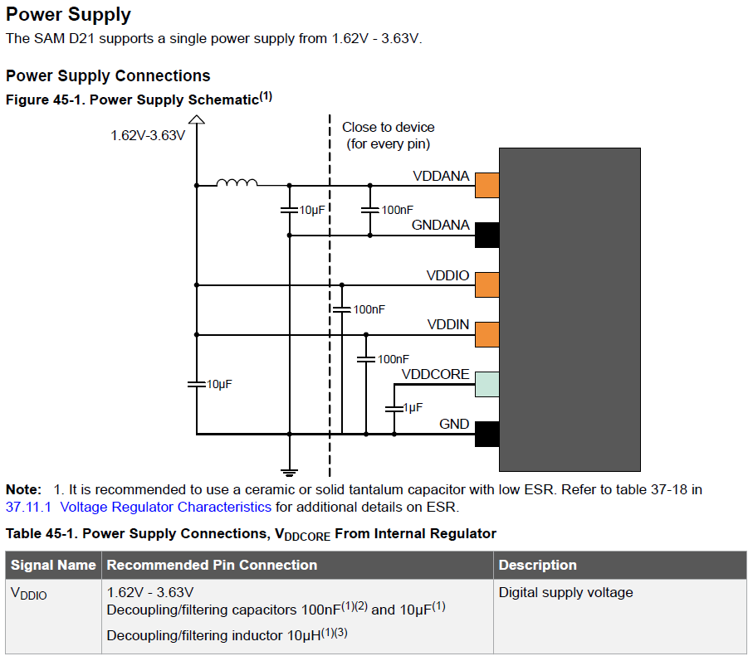
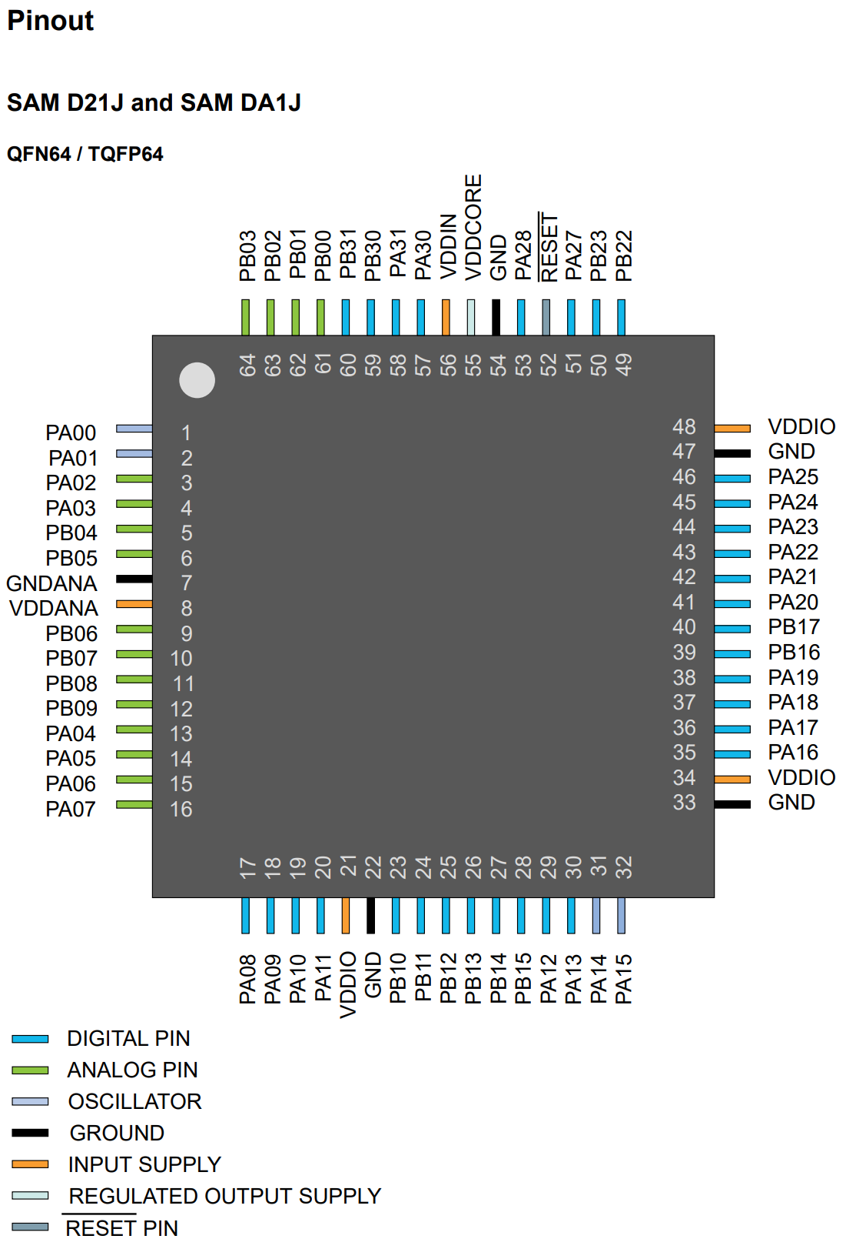
 |  |  |  |  |  |  |  |  |  |  |  |  |  |  |  |  |  |  |  | SPI pinout options:
 |  |  |  |  |  |  |  |  |  |  |  |  |  |  |  |  |  |  |  | MOSI & SCK | MISO (any pad)
 |  |  |  |  |  |  |  |  |  |  |  |  |  |  |  |  |  |  |  | SPI_PAD_0_SCK_1 | SERCOM_RX_PAD_0
 |  |  |  |  |  |  |  |  |  |  |  |  |  |  |  |  |  |  |  | SPI_PAD_2_SCK_3 | SERCOM_RX_PAD_1
 |  |  |  |  |  |  |  |  |  |  |  |  |  |  |  |  |  |  |  | SPI_PAD_3_SCK_1 | SERCOM_RX_PAD_2
 |  |  |  |  |  |  |  |  |  |  |  |  |  |  |  |  |  |  |  | SPI_PAD_0_SCK_3 | SERCOM_RX_PAD_3

